tone signatures
Important: In MEI we already have <keySig> which has a @pname attribute and a @mode attribute available (with the data values shown in the images below).

what else? I need to see all the symbols to make a table for their encoding.
Martyriae or Signature: Initial of the name (name of the note) + martyrikon
Tone signatures <toneSig> (encoding it similarly to <keySig>) - for insiders, trained in byzantine chants
feature | proposed attribute | values
name | @pname | b (Zo) / c (Ni) / d (Pa) / e (Vu) / f (Ga) / g (Di) / a (Ke)
register | (@register) | low / middle / high
genre | (@genre) | diatonic / chromatic / enharmonic
nuance | (@nuance) | soft / tense
Only chromatic can be soft or tense? (then, we would have to add a schematron rule for when @genre = chromatic, then @nuance can be used; othewise, it is invalid). CHROMATIC AND DIATONIC CAN BE SOFT OR TENSE; ENHARMONIC CANNOT (SCHEMATRON RULE TO NOT ALLOW @NUANCE HERE).
Are they to be included inside syllables??? Are they related to syllables? Do they appear as a neume inside a syllable? Or they standon their own? NOT RELATED TO SYLLABLES - SO, DON'T ENCODE THEM AS <NEUME> ELEMENTS. |  |  |  | toneSig attributes (given @genre = diatonic or @genre = enharmonic):
Martyriae or Signature: Initial of the name (name of the note) + martyrikon |  | register starts in Zo (b) | di | @pname = g @register = low | Then how one distinguishes based on the symbols alone, when it is "diatonic" and when it is "enharmonic"?
 |  | lower register: inverses initial and martyrikon | ke | @pname = a @register = low
 |  | higher register: stroke in initial | Zo | @pname = b @register = middle
 |  |  | Ni | @pname = c @register = middle | look at page 469
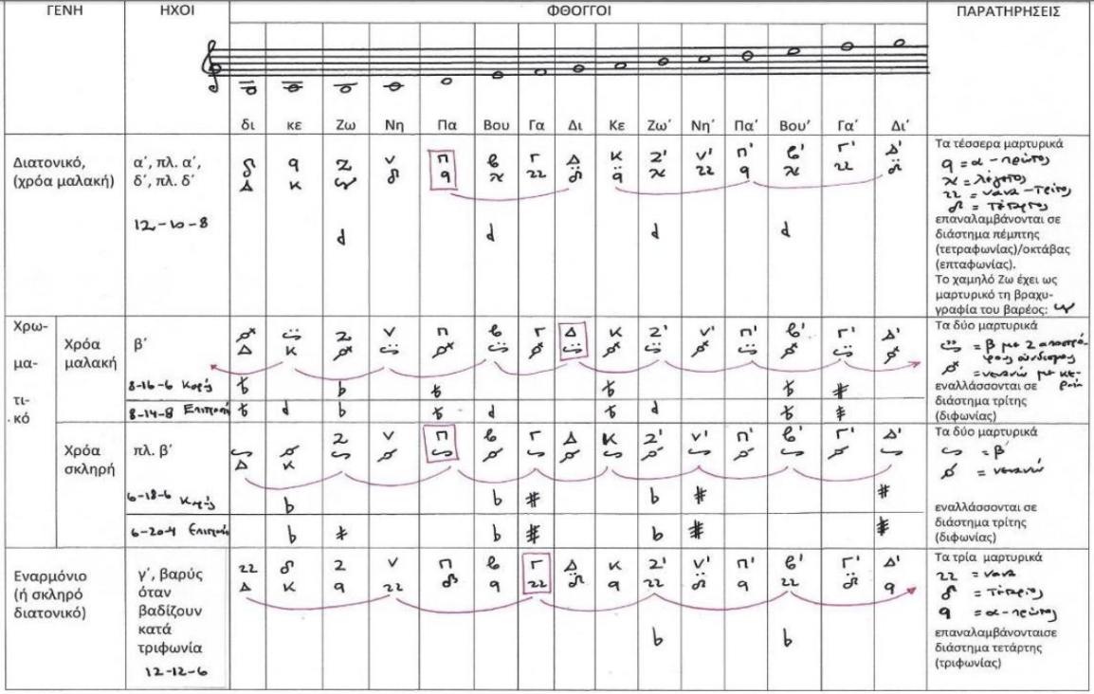
The signatures that can be used depend on the mode signature --> ask Maria for confirmation. YES, BUT IF HAVING AN INTERNAL MODULATION (FTHORA), THEY WILL DEPEND ON THE MODULATION SIGN. THEY MATCH TO THE "MODAL CONSTELLATION" WE ARE IN. |  |  | Pa | @pname = d @register = middle
 |  |  | Vu | @pname = e @register = middle
Could this be useful? Here in toneSignature or in modeSignature ????? The existing values shown below. Moreover, we could have our own data.MODE.bizantyne for byzantine mode values. What would go in there? (diatonic, chromatic, enharmonic OR plagal, authentic ?) DON'T USE THAT |  |  | Ga | @pname = f @register = middle
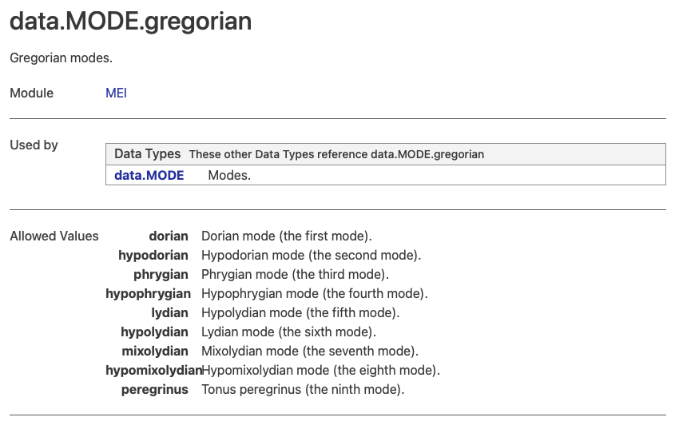
 |  |  | Di | @pname = g @register = middle
 |  |  | Ke | @pname = a @register = middle
 |  |  | Zo' | @pname = b @register = high
 |  |  | Ni' | @pname = c @register = high
 |  |  | Pa' | @pname = d @register = high

 |  |  |  | Missing the same table for @genre = chromatic @nuance = soft
 |  |  | di | @pname = g @register = low
 |  |  | ke | @pname = a @register = low
 |  |  | Zo | @pname = b @register = middle
 |  |  | Ni | @pname = c @register = middle
 |  |  | Pa | @pname = d @register = middle
 |  |  | Vu | @pname = e @register = middle
 |  |  | Ga | @pname = f @register = middle
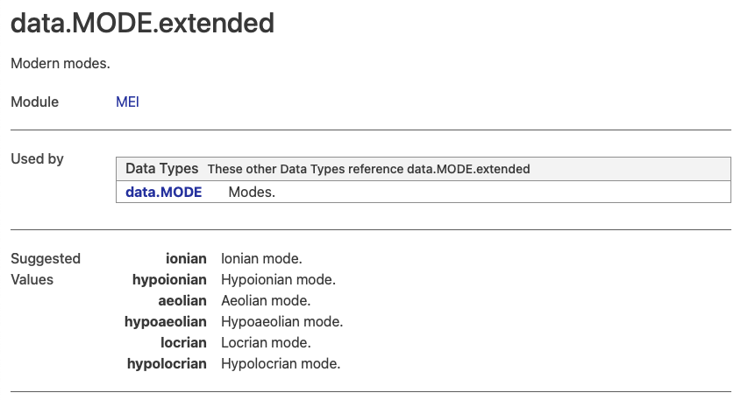
 |  |  | Di | @pname = g @register = middle
 |  |  | Ke | @pname = a @register = middle
 |  |  | Zo' | @pname = b @register = high
 |  |  | Ni' | @pname = c @register = high
 |  |  | Pa' | @pname = d @register = high

 |  |  |  | and @genre = chromatic @nuance = tense
 |  |  | di | @pname = g @register = low
 |  |  | ke | @pname = a @register = low
 |  |  | Zo | @pname = b @register = middle
 |  |  | Ni | @pname = c @register = middle
 |  |  | Pa | @pname = d @register = middle
 |  |  | Vu | @pname = e @register = middle
 |  |  | Ga | @pname = f @register = middle
 |  |  | Di | @pname = g @register = middle
 |  |  | Ke | @pname = a @register = middle
 |  |  | Zo' | @pname = b @register = high
 |  |  | Ni' | @pname = c @register = high
 |  |  | Pa' | @pname = d @register = high
 |  |  | Vu' | @pname = e @register = high

Mode Signatures
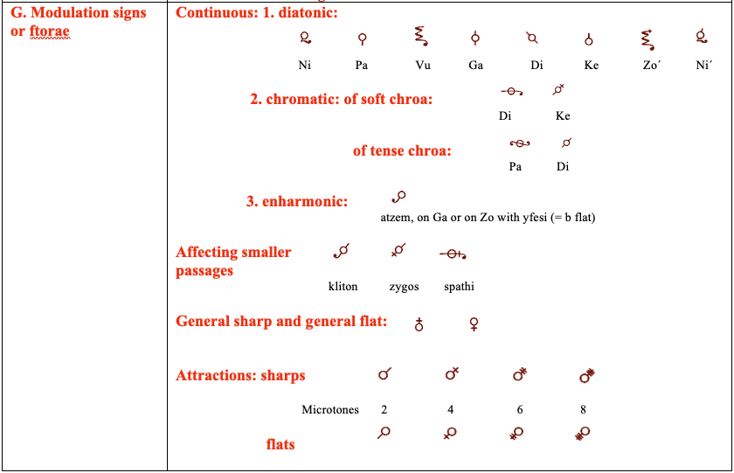
 | Mode Signatures (echos) - for outsiders, very explicit - <modeSig>???
 | feature | proposed attribute | values
2 | symbols | @mode.num | 1 / 2 / 3 / 4 | I don't see the relation between these two things (left and right)
2.5 |  | @mode.plagal | + pl (plagal) --> boolean: true / false
3 | finalis | @pname | b (Zo) / c (Ni) / d (Pa) / e (Vu) / f (Ga) / g (Di) / a (Ke)
4 | thora (if existent), it destroys the original sonority (modulation?)
5 | fifth symbol (starting with Echos) for indicating the starting point of pitch calculation (otherwise, we start on the base of the mode)
 | In staffDef???? Just like the ambitus usually is… https://music-encoding.org/guidelines/v5/elements/ambitus.html

 | We need to finish encoding the piece to be able to see all of this in action!

 | Are they to be included inside syllables??? Are they related to syllables? Do they appear as a neume inside a syllable? Or they standon their own?

 |  |  |  | b (Zo) / c (Ni) / d (Pa) / e (Vu) / f (Ga) / g (Di) / a (Ke)

 | @mode.num = 1 |  |  | Should we also include the attributes from toneSig?
 | @mode.plagal = false or @mode.SOMETHING = authentic |  |  | @genre = diatonic @nuance = soft
 | @pname = d
 | (@mode = dorian ???)

 |  |  |  | b (Zo) / c (Ni) / d (Pa) / e (Vu) / f (Ga) / g (Di) / a (Ke)

 | @mode.num = 2 |  |  | Should we also include the attributes from toneSig?
 | @mode.plagal = false or @mode.SOMETHING = authentic |  |  | @genre = chromatic @nuance = soft
 | @pname = g
 | (@mode = mixolydian)

 |  |  |  | b (Zo) / c (Ni) / d (Pa) / e (Vu) / f (Ga) / g (Di) / a (Ke)

 | @mode.num = 3 |  |  | Should we also include the attributes from toneSig?
 | @mode.plagal = false or @mode.SOMETHING = authentic |  |  | @genre = diatonic @nuance = tense
 | @pname = f
 | (@mode = lydian)

 |  |  |  | b (Zo) / c (Ni) / d (Pa) / e (Vu) / f (Ga) / g (Di) / a (Ke)
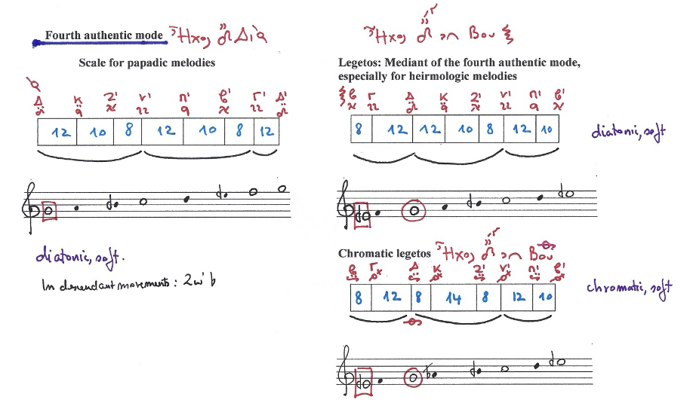

 | @mode.num = 4 |  |  | Should we also include the attributes from toneSig?
 | @mode.plagal = false or @mode.SOMETHING = authentic |  |  | @genre = diatonic @nuance = soft
 | @pname = g | @pname = e | @pname = e |  |  | @genre = diatonic @nuance = soft
 | (@mode = phrygian ???) |  |  | @genre = chromatic @nuance = soft

 | WE NEED TO TRY TO ENCODE THE FULL EXAMPLE

 | AND CONTINUE WITH THE PLAGAL ONES HERE

 | Y luego puedo completar propuesta

